Sheet1
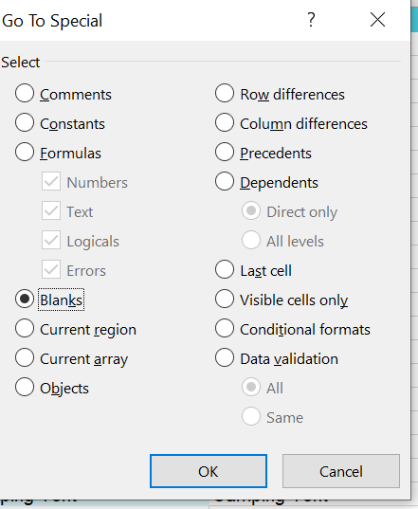

1

 |  |  |  |  |  |  | home>find&replace>blank>unknown

2 | flash fill upper case

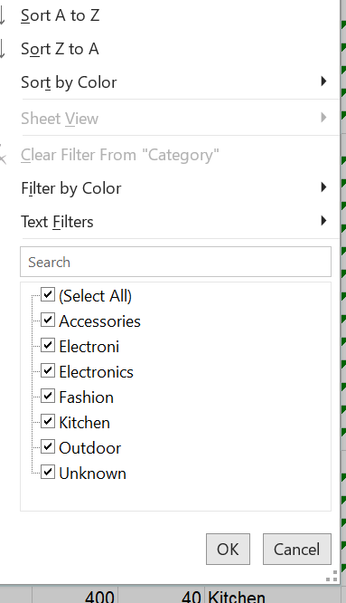

 |  |  | data>filter

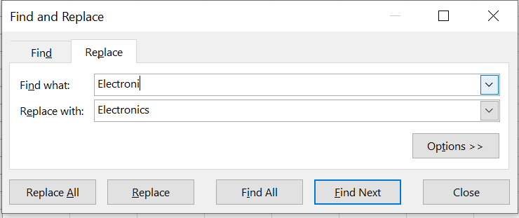

 |  |  |  | find and replace

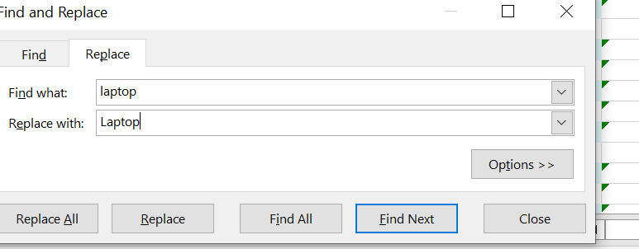

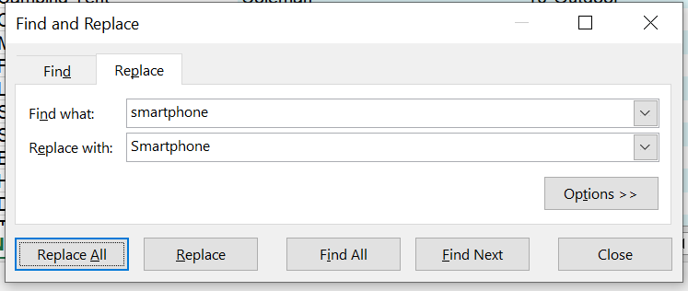

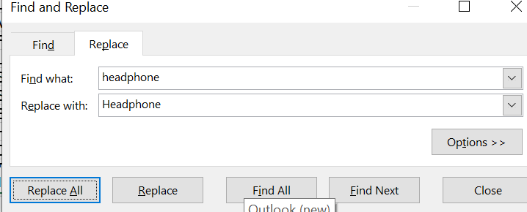

 | 3 | data>remove duplicate

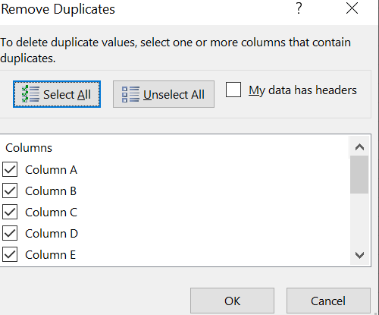

 | 4

 |  | INSERT NEW COLUMN AND FLAS FILL( CTRL+E) |  |  | COUNTRYCODE AND MANUFACTURING DATE

 |  | INSERT NEW COLUMN AND TYPE" Dell Laptop">ctrl+E(FLASH FILL)

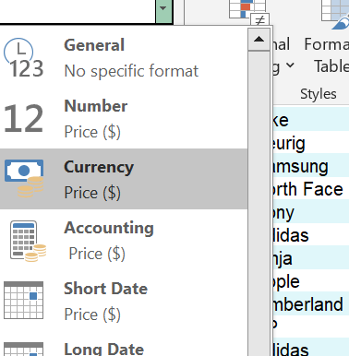
 | 5

 |  |  |  |  | HOME>NUMBER>GENARAL>CURRENCY

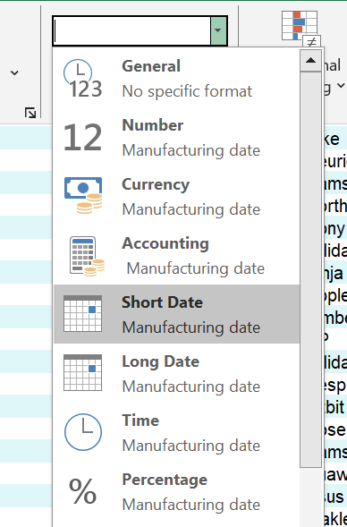

 |  |  |  |  |  | HOME>NUMBER>SHORTDATE

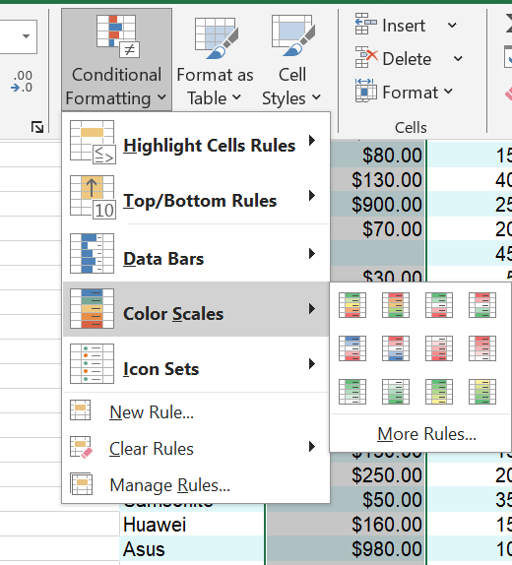
 | 6

 |  |  |  |  |  | HOME>CONDITIONAL FORMATTING>COLOUR SCALE

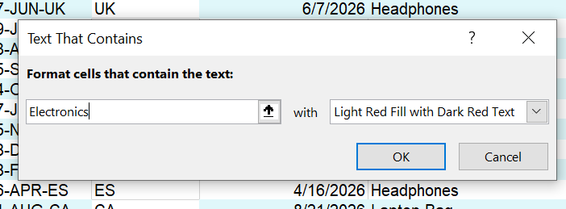

 |  |  |  |  |  |  | conditional formatting>high lighting cell rule

